Sheet1
 |  |  | BUG REPORT : BOOK PUBLICATIONS

 | Title | Bug Description | steps to Reproduce | Expected Result | Actual Result | Priority | Comments | Date | Screenshots/ screenRecords | QA Name | Status

1 | Searching Functionality is not working properly. | Searching Functionality of Book Publication list is not working. | 1.Open the URL https://dev-portal.svkm.ac.in/researches/user 2.Enter valid username and Password. 3.Click on Signin button. 4.Click on Search option. | Searching Functionality should worked properly. | Searching Functionality of Book Publication list is not working. | medium | Searching Functionality should worked properly. | 2024-04-25

2 | Search button is not present. | Inside Searching field Search button is not present. | 1.Open the URL https://dev-portal.svkm.ac.in/researches/user 2.Enter valid username and Password. 3.Click on Signin button. 4.Click on Search option. | Inside Searching field Search button should be present. | Inside Searching field Search button is not present. | low | Inside Searching field Search button should be present. | 2024-04-25

3 | Inside Search close option is not there. | Inside Search close/cancel option for entered value is not present. | 1.Open the URL https://dev-portal.svkm.ac.in/researches/user 2.Enter valid username and Password. 3.Click on Signin button. 4.Click on Search option. | Inside Search close/cancel option for entered value should be there. | Inside Search close/cancel option for entered value is not present. | low | Inside Search close/cancel option for entered value should be there. | 2024-04-25

4 | SR No. is not properly added. | After adding Book Publication; its SR No. is not properly added. | 1.Open the URL https://dev-portal.svkm.ac.in/researches/user 2.Enter valid username and Password. 3.Click on Signin button. | After adding Book Publication; its SR No. should be properly added. | After adding Book Publication; its SR No. is not properly added. | low | Sr.No should be properly added after adding Book Publication. | 2024-04-25

5 | If Searched Book is not present then proper message is not there. | After searching any book then Searched Book is not present then proper message should be there. | 1.Open the URL https://dev-portal.svkm.ac.in/researches/user 2.Enter valid username and Password. 3.Click on Signin button. 4.Click on Search option. | If Searched Book is not present then proper message should be there. | If Searched Book is not present then proper message is not there. | low | If Searched Book is not present then proper message should be there. | 2024-04-25

6 | Prev and Next Buttons are not present when all data is on 1 page. | Prev and Next Buttons are not present when data all is on 1 page. | 1.Open the URL https://dev-portal.svkm.ac.in/researches/user 2.Enter valid username and Password. 3.Click on Signin button. | Prev and Next Buttons should be present when all data is on 1 page. | Prev and Next Buttons are not present when all data is on 1 page. | low | Prev and Next Buttons should be present when all data is on 1 page. | 2024-04-25 | 

7 | Total entries are not updated immediately. | Total entries are not updated immediately after adding data. | 1.Open the URL https://dev-portal.svkm.ac.in/researches/user 2.Enter valid username and Password. 3.Click on Signin button. | Total entries should be updated immediately after adding data. | Total entries are not updated immediately after adding data. | low | Total entries should be updated immediately after adding data. | 2024-04-25

8 | Add button is not having a tool label. | Add button is not having a tool label. | 1.Open the URL https://dev-portal.svkm.ac.in/researches/user 2.Enter valid username and Password. 3.Click on Signin button. 4.Click on ADD button. | Add button should have a tool label. | Add button is not having a tool label. | low | Add button should have a tool label. | 2024-04-25 | 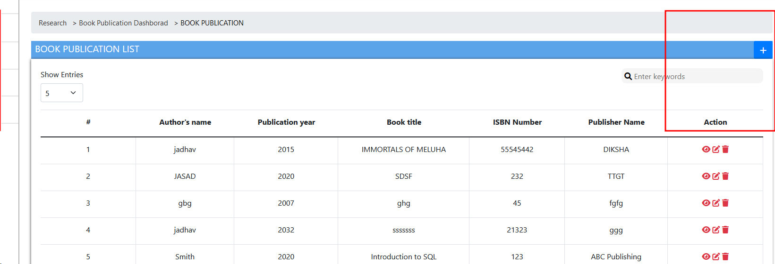

9 | Page indexes are not clickable. | Page indexes are not clickable. | 1.Open the URL https://dev-portal.svkm.ac.in/researches/user 2.Enter valid username and Password. 3.Click on Signin button. | Page indexes should be clickable. | Page indexes are not clickable. | low | Page indexes should be clickable. | 2024-04-25

10 | Newly Added Book is Displayed on all Available pages. | After adding Book Publication then Book is added on all available pages. | 1.Open the URL https://dev-portal.svkm.ac.in/researches/user 2.Enter valid username and Password. 3.Click on Signin button. 4.Click on ADD button. | Newly Added Book should not display on all Available pages. | Newly Added Book is Displayed on all Available pages. | low | Newly Added Book should not display on all Available pages. | 2024-04-25 | https://screenrec.com/share/eD4ZLBzdS0
 |  |  |  | s
11 | Authors Last Name Field is not Displayed as Authors Last Name, First Initial. | Authors Last Name Field is not Displayed as Authors Last Name, First Initial. | 1.Open the URL https://dev-portal.svkm.ac.in/researches/user 2.Enter valid username and Password. 3.Click on Signin button. 4.Click on ADD button. | Authors Last Name Field should be Displayed as Authors Last Name, First Initial. | Authors Last Name Field is not Displayed as Authors Last Name, First Initial. | low | Authors Last Name Field should be Displayed as Authors Last Name, First Initial. | 2024-04-25 | 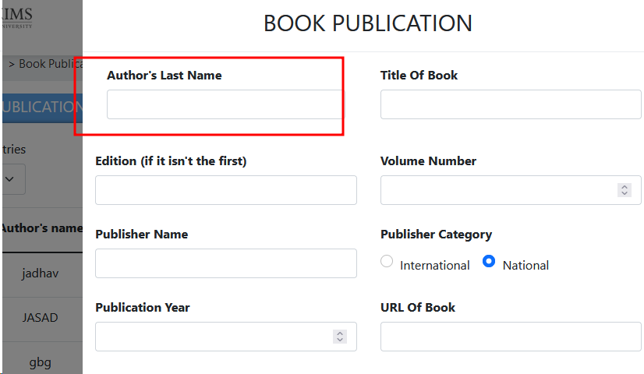

12 | Authors Last Name Fields Allignment is not proper. | Allignment of Authors Last Name Field is not proper. | 1.Open the URL https://dev-portal.svkm.ac.in/researches/user 2.Enter valid username and Password. 3.Click on Signin button. 4.Click on ADD button. | Allignment of Authors Last Name Field should be proper. | Allignment of Authors Last Name Field is not proper. | low | Allignment of Authors Last Name Field should be proper. | 2024-04-25 | 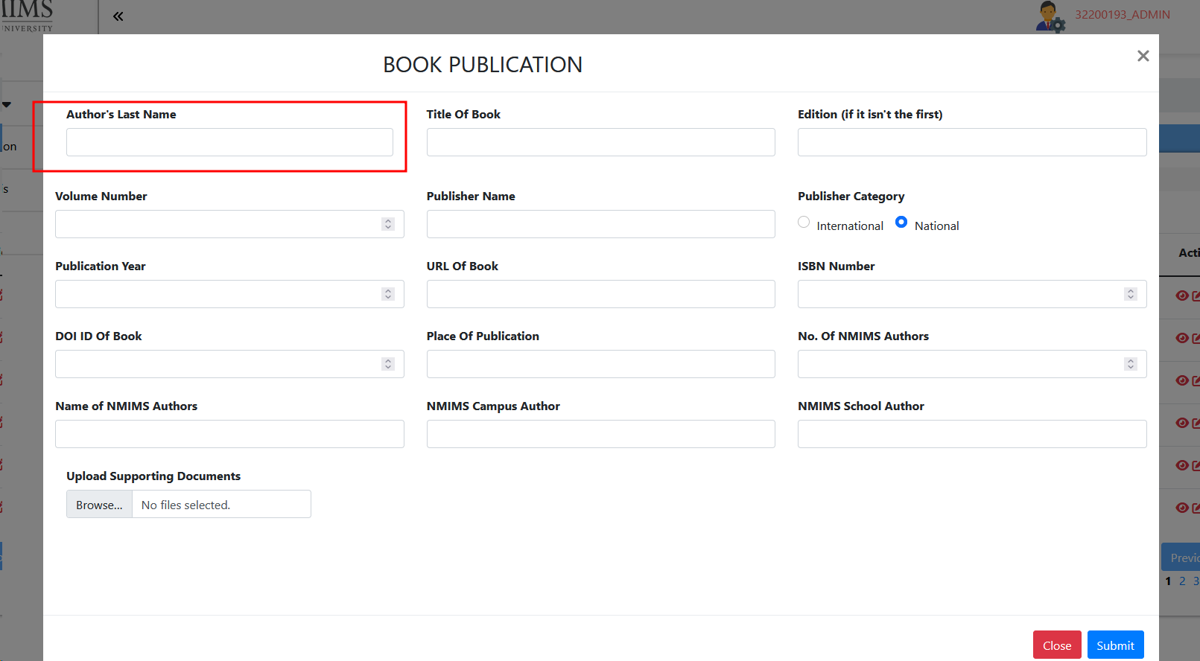

13 | Book Publication header is not at center and it is not labled as Add Book Publication. | Inside ADD option,Book Publication header is not at center and it is not labled as Add Book Publication. | 1.Open the URL https://dev-portal.svkm.ac.in/researches/user 2.Enter valid username and Password. 3.Click on Signin button. 4.Click on ADD button. | Book Publication header should be at center and it should be labled as Add Book Publication. | Inside ADD option,Book Publication header is not at center and it is not labled as Add Book Publication. | low |  | 2024-04-25

14 | All fields are not having Placeholder and Asterisk sign. | All fields from Add Book Publication are not having Asterisk Sign and a placeholder. | 1.Open the URL https://dev-portal.svkm.ac.in/researches/user 2.Enter valid username and Password. 3.Click on Signin button. 4.Click on ADD button. | All fields from Add Book Publication should have Asterisk Sign and a placeholder. | All fields from Add Book Publication are not having Asterisk Sign and a placeholder. | low | All fields from Add Book Publication should have Asterisk Sign and a placeholder. | 2024-04-25

15 | proper field error message is not there. | After entering Numbers, Special Characters inside the Authors Last Name proper field error message is not there. | 1.Open the URL https://dev-portal.svkm.ac.in/researches/user 2.Enter valid username and Password. 3.Click on Signin button. 4.Click on ADD button. | After entering Numbers, Special Characters inside the Authors Last Name proper field error message should be there. | After entering Numbers, Special Characters inside the Authors Last Name proper field error message is not there. | low | After Entering Numbers. Special Characters; "Field should not accept Numbers ,Special Characters" message should be there. | 2024-04-25

16 | After entering Numbers, Special Characters inside the Title Of Book proper field error message is not there. | After entering Numbers, Special Characters inside the Title Of Book proper field error message is not there. | 1.Open the URL https://dev-portal.svkm.ac.in/researches/user 2.Enter valid username and Password. 3.Click on Signin button. 4.Click on ADD button. | After entering Numbers, Special Characters inside the Title Of Book proper field error message should be there. | After entering Numbers, Special Characters inside the Title Of Book proper field error message is not there. | low | After entering Numbers, Special Characters inside the Title Of Book proper field error message is not there. | 2024-04-25

17 | Alphabets , Special Characters are not restricted inside Volume Number Field. | Alphabets , Special Characters are not restricted inside Volume Number Field. | 1.Open the URL https://dev-portal.svkm.ac.in/researches/user 2.Enter valid username and Password. 3.Click on Signin button. 4.Click on ADD button. | Alphabets , Special Characters should be restricted inside Volume Number Field. | Alphabets , Special Characters are not restricted inside Volume Number Field. | low | Alphabets , Special Characters should be restricted inside Volume Number Field. | 2024-04-25

18 | Field error message of Publishing Year field is not properly spelled. | Field error message of Publishing Year field is not properly spelled. | 1.Open the URL https://dev-portal.svkm.ac.in/researches/user 2.Enter valid username and Password. 3.Click on Signin button. 4.Click on ADD button. | Field error message of Publishing Year field should be properly spelled. | Field error message of Publishing Year field is not properly spelled. | low | Field error message of Publishing Year field should be properly spelled. | 2024-04-25

19 | Proper field error message is not there. | After entering Numbers, Special Characters inside the Publisher Name proper field error message is not there. | 1.Open the URL https://dev-portal.svkm.ac.in/researches/user 2.Enter valid username and Password. 3.Click on Signin button. 4.Click on ADD button. | After entering Numbers, Special Characters inside the Publisher Name proper field error message should be there. | After entering Numbers, Special Characters inside the Publisher Name proper field error message is not there. | low | proper field error message should be there. | 2024-04-25

20 | Alphabets , Special Characters are not restricted inside Publication Year Field. | Alphabets , Special Characters are not restricted inside Publication Year Field. | 1.Open the URL https://dev-portal.svkm.ac.in/researches/user 2.Enter valid username and Password. 3.Click on Signin button. 4.Click on ADD button. | Alphabets , Special Characters should be restricted inside Publication Year Field. | Alphabets , Special Characters are not restricted inside Publication Year Field. | low | Alphabets , Special Characters should be restricted inside Publication Year Field. | 2024-04-25

21 | Alphabets , Special Characters are not restricted inside ISBN Number Field. | Alphabets , Special Characters are not restricted inside ISBN Number Field. | 1.Open the URL https://dev-portal.svkm.ac.in/researches/user 2.Enter valid username and Password. 3.Click on Signin button. 4.Click on ADD button. | Alphabets , Special Characters should be restricted inside ISBN Number Field. | Alphabets , Special Characters are not restricted inside ISBN Number Field. | low | Alphabets , Special Characters should be restricted inside ISBN Number Field. | 2024-04-25

22 | DOI ID Of Book is not accepting Special Characters inside the field. | DOI ID Of Book is not accepting Special Characters inside the field. | 1.Open the URL https://dev-portal.svkm.ac.in/researches/user 2.Enter valid username and Password. 3.Click on Signin button. 4.Click on ADD button. | DOI ID Of Book should accept Special Characters inside the field. | DOI ID Of Book is not accepting Special Characters inside the field. | low | DOI ID Of Book should accept Special Characters inside the field. | 2024-04-25

23 | Field error message is not present. | After Entering Numbers and Special Characters inside the fieldfield error message is not there at Place of Publication. | 1.Open the URL https://dev-portal.svkm.ac.in/researches/user 2.Enter valid username and Password. 3.Click on Signin button. 4.Click on ADD button. | After Entering Numbers and Special Characters inside the field error message should not there at Place of Publication. | After Entering Numbers and Special Characters inside the field error message is not there at Place of Publication. | low | After Entering Numbers and Special Characters inside the field error message should not there at Place of Publication. | 2024-04-25

24 | Place of Publication field accepting Special characters. | Place of Publication field accepting Special characters. | 1.Open the URL https://dev-portal.svkm.ac.in/researches/user 2.Enter valid username and Password. 3.Click on Signin button. 4.Click on ADD button. | Place of Publication field should not accept Special characters. | Place of Publication field accepting Special characters. | low |  | 2024-04-25

25 | field error message is not there at Name of NMIMS Authors Field. | After entering Numbers and Special characters inside the field then Name Of NMIMS Authors field then field error message is not there. | 1.Open the URL https://dev-portal.svkm.ac.in/researches/user 2.Enter valid username and Password. 3.Click on Signin button. 4.Click on ADD button. | Field error message should be there at Name of NMIMS Authors Field. | After entering Numbers and Special characters inside the field then Name Of NMIMS Authors field then field error message is not there. | low |  | 2024-04-25

26 | NMIMS Campus Authors field accepting Special Characters. | NMIMS Campus Authors field accepting Special Characters. | 1.Open the URL https://dev-portal.svkm.ac.in/researches/user 2.Enter valid username and Password. 3.Click on Signin button. 4.Click on ADD button. | NMIMS Campus Authors should not accept Special Characters. | NMIMS Campus Authors field accepting Special Characters. | low | NMIMS Campus Authors field accepting Special Characters. | 2024-04-25 | 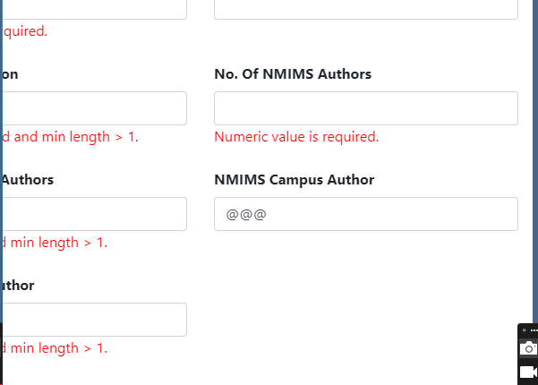

26 | NMIMS School Authors field accepting Special Characters. | NMIMS School Authors field accepting Special Characters. | 1.Open the URL https://dev-portal.svkm.ac.in/researches/user 2.Enter valid username and Password. 3.Click on Signin button. 4.Click on ADD button. | NMIMS School Authors field should not accept Special Characters. | NMIMS School Authors field accepting Special Characters. | low | NMIMS School Authors field accepting Special Characters. | 2024-04-25 | 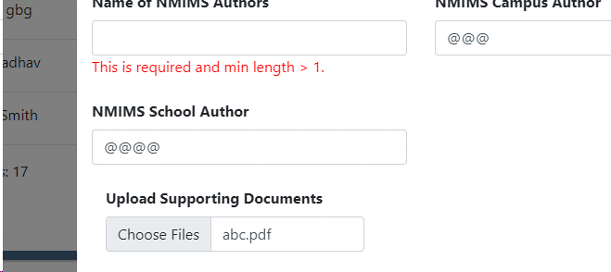

27 | DOI ID OF Book field is not having Field error message. | After submiting blank field DOI ID OF Book is not having Field error message. | 1.Open the URL https://dev-portal.svkm.ac.in/researches/user 2.Enter valid username and Password. 3.Click on Signin button. 4.Click on ADD button. | After submiting blank field DOI ID OF Book should have Field error message. | After submiting blank field DOI ID OF Book is not having Field error message. | low | After submiting blank field DOI ID OF Book should have Field error message. | 2024-04-25 | 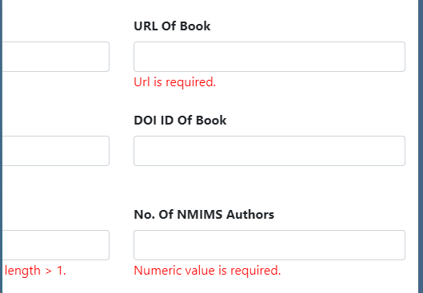

28 | Upload Supporting Documents field is not having Preview option. | Upload Supporting Documents field is not having Preview option. | 1.Open the URL https://dev-portal.svkm.ac.in/researches/user 2.Enter valid username and Password. 3.Click on Signin button. 4.Click on ADD button. | Upload Supporting Documents field should have Preview option. | Upload Supporting Documents field is not having Preview option. | low | Upload Supporting Documents field should have Preview option. | 2024-04-25

29 | Allignment of Error message is not proper. | Inside, Upload Supporting Document allignment of Error message is not proper. | 1.Open the URL https://dev-portal.svkm.ac.in/researches/user 2.Enter valid username and Password. 3.Click on Signin button. 4.Click on ADD button. | Inside, Upload Supporting Document allignment of Error message should be proper. | Inside, Upload Supporting Document allignment of Error message is not proper. | low | Inside, Upload Supporting Document allignment of Error message should be proper. | 2024-04-25 | 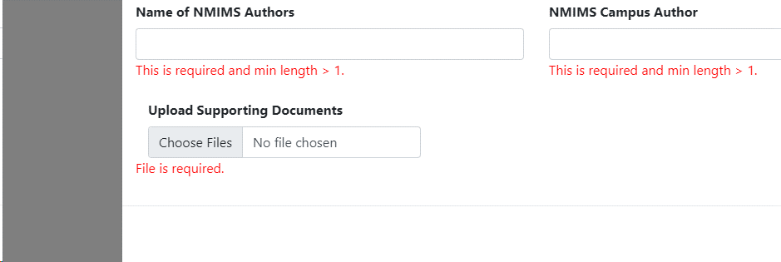

30 | Page is not redirected on Particular Location after clicking on URL. | After adding URL inside URL of Book then after clicking on it page should redirect on particular location. | 1.Open the URL https://dev-portal.svkm.ac.in/researches/user 2.Enter valid username and Password. 3.Click on Signin button. 4.Click on ADD button. | Page should be redirect on Particular Location after clicking on URL. | Page is not redirected on Particular Location after clicking on URL. | low | Page should be redirected on Particular Location after clicking on URL. | 2024-04-25

31 | Alert Message is not having close/ok button. | Inside Add Book Publication pop up box of Validation error is not having Close /Ok button to close it. | 1.Open the URL https://dev-portal.svkm.ac.in/researches/user 2.Enter valid username and Password. 3.Click on Signin button. 4.Click on ADD button. | Inside Add Book Publication pop up box of Validation error should have Close /Ok button to close it. | Inside Add Book Publication pop up box of Validation error is not having Close /Ok button to close it. | low | Inside Add Book Publication pop up box of Validation error should have Close /Ok button to close it. | 2024-04-25

32 | Field error message is not cleared after closing Book Publication Page. | Field error message is not cleared after closing Book Publication Page. | 1.Open the URL https://dev-portal.svkm.ac.in/researches/user 2.Enter valid username and Password. 3.Click on Signin button. 4.Click on ADD button. | Field error messages should be removed after closing Add Book Publication page. | Field error message is not cleared after closing Book Publication Page. | low | Field error messages should be removed after closing Add Book Publication page. | 2024-04-25

33 | After Editing Record Pop up message is not having close/ ok message. | After Editing Record Pop up message is not having close/ ok message. | 1.Open the URL https://dev-portal.svkm.ac.in/researches/user 2.Enter valid username and Password. 3.Click on Signin button. 4.Click on ADD button. | After Editing Record Pop up message should have close/ ok message. | After Editing Record Pop up message is not having close/ ok message. | low | After Editing Record Pop up message should have close/ ok message. | 2024-04-25

34 | Allignment of Upload Supporting File Doc is not proper. | Allignment of Upload Supporting File Doc is not proper. | 1.Open the URL https://dev-portal.svkm.ac.in/researches/user 2.Enter valid username and Password. 3.Click on Signin button. 4.Click on ADD button. | Allignment of Upload Supporting File Doc should be proper. | Allignment of Upload Supporting File Doc is not proper. | low | Allignment of Upload Supporting File Doc should be proper. | 2024-04-26

35 | Alert message of DOI Id of Book field is not proper and not having close or ok button. | After Entering Duplicate value ; Alert message of DOI Id of Book field is not proper and not having close or ok button. | 1.Open the URL https://dev-portal.svkm.ac.in/researches/user 2.Enter valid username and Password. 3.Click on Signin button. 4.Click on ADD button. | After Entering Duplicate value ; Alert message of DOI Id of Book field should be proper and should have close or ok button. | After Entering Duplicate value ; Alert message of DOI Id of Book field is not proper and not having close or ok button. | low | After Entering Duplicate value ; Alert message of DOI Id of Book field should be proper and should have close or ok button. | 2024-04-26 | 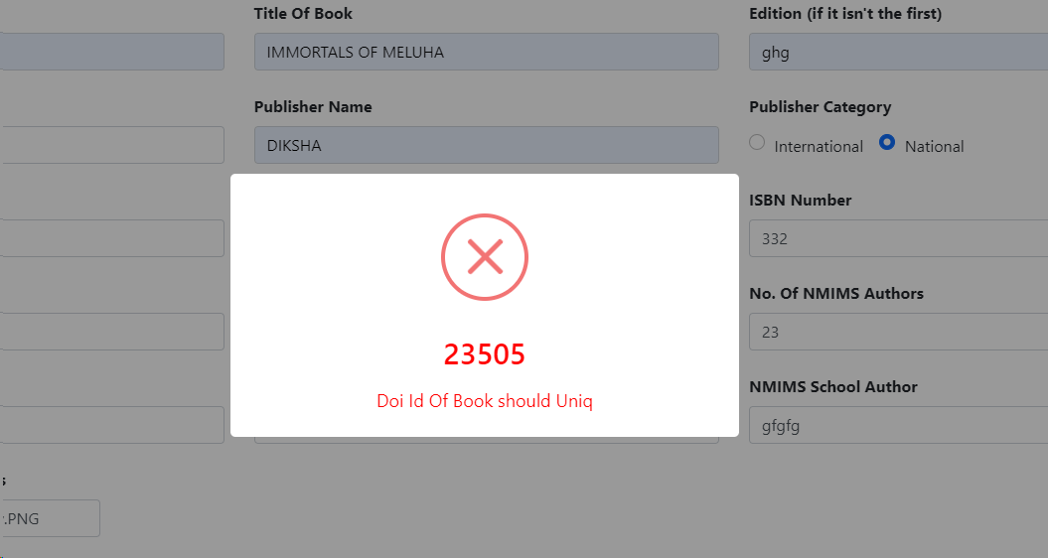

36 | View option is not displaying Field values. | View option is not displaying Field values. | 1.Open the URL https://dev-portal.svkm.ac.in/researches/user 2.Enter valid username and Password. 3.Click on Signin button. 4.Click on ADD button. | View optionshould display Field values. | View option is not displaying Field values. | low | View option should display Field values. | 2024-04-26

37 | Field Error messages from Edit are reflected inside Add options Fields. | Field Error messages from Edit are reflected inside Add options Fields. | 1.Open the URL https://dev-portal.svkm.ac.in/researches/user 2.Enter valid username and Password. 3.Click on Signin button. 4.Click on ADD button. | Field Error messages from Edit should not reflect inside Add options Fields. | Field Error messages from Edit are reflected inside Add options Fields. | medium | Field Error messages from Edit should not reflect inside Add options Fields. | 2024-04-26

38 | Prev and Next buttons are enabled. | If there is only one page then also the prev and next buttons are Enabled. | 1.Open the URL https://dev-portal.svkm.ac.in/researches/user 2.Enter valid username and Password. 3.Click on Signin button. | If there is only one page then the prev and next buttons should be disabled. | If there is only one page then also the prev and next buttons are Enabled. | low | If there is only one page then the prev and next buttons should be disabled. | 2024-04-26

39 | Pagination is not proper. | After adding New Book publication then it is displayed on first page.(If show entry /index is defined as 5 then 6th entry also displayed on first page.) | 1.Open the URL https://dev-portal.svkm.ac.in/researches/user 2.Enter valid username and Password. 3.Click on Signin button. | After adding New Book publication then it should be displayed as per show page entries. | After adding New Book publication then it is not displayed as per show page entries. | low | After adding New Book publication then it should be displayed as per show page entries. | 2024-04-26 | 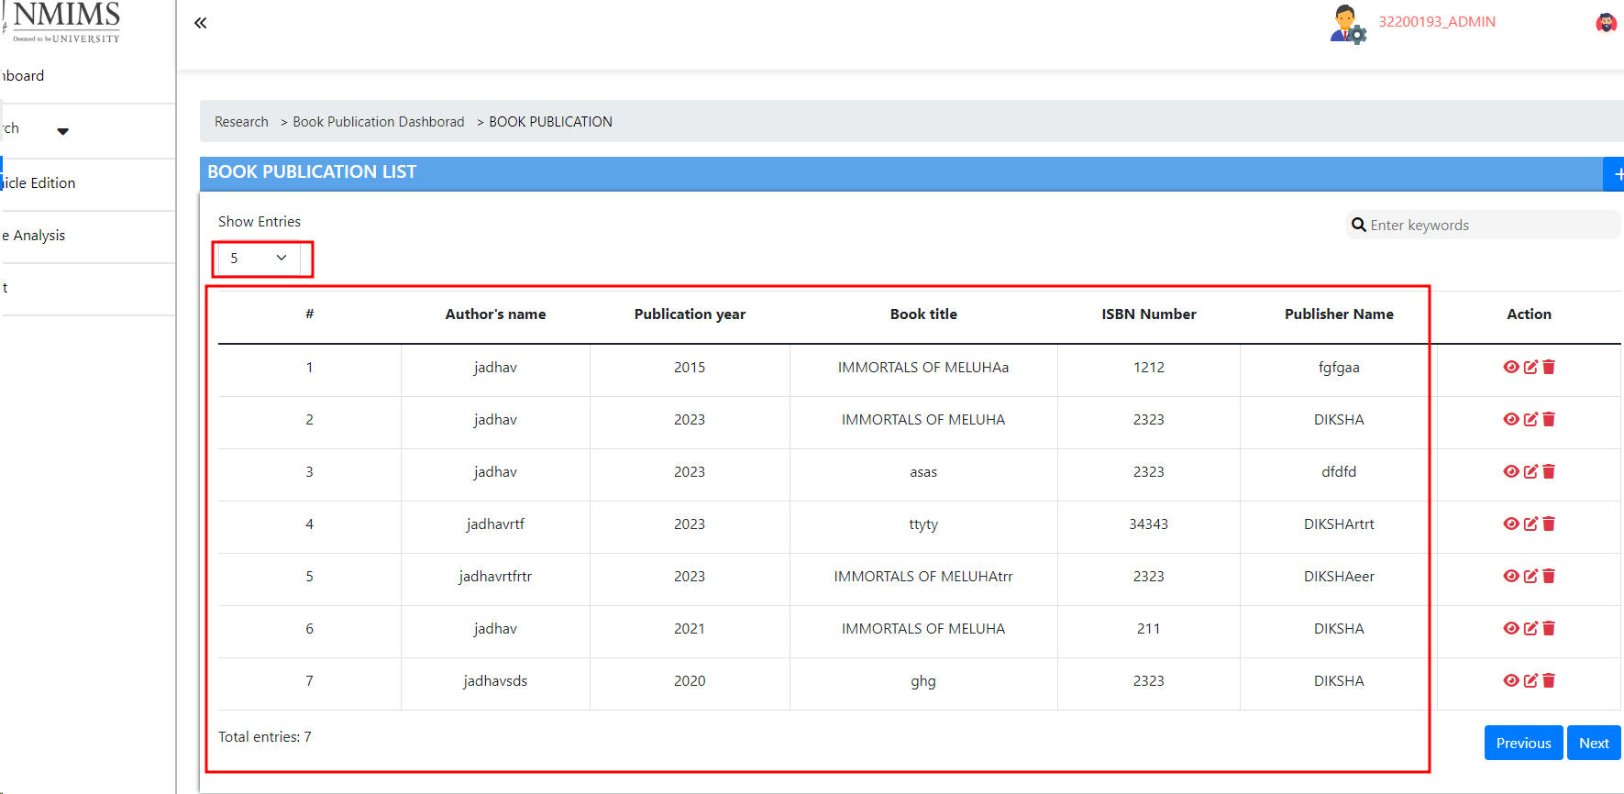

40 | Add Book Publications window , view page and Edit page closed after clicking anywhere on page. | Add Book Publications window , view page and Edit page closed after clicking anywhere on page. | 1.Open the URL http://localhost:3000/admin/dashboard 2. Click on Journal List Published. 3. Click on Add button. | Add Book Publications window , view page and Edit page should not closed after clicking anywhere on page. | Add Book Publications window , view page and Edit page closed after clicking anywhere on page. | low | Add Book Publications window , view page and Edit page should not closed after clicking anywhere on page. | 2024-04-20

